Metrics and Plots
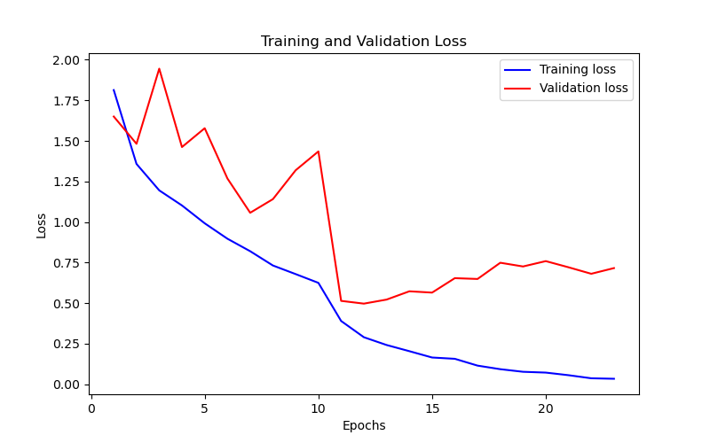
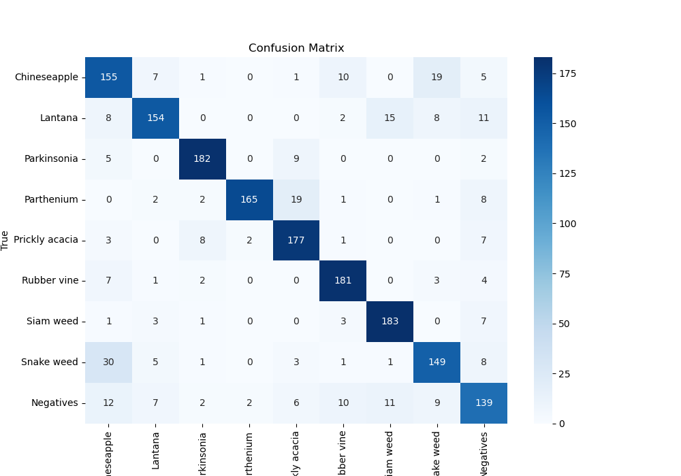
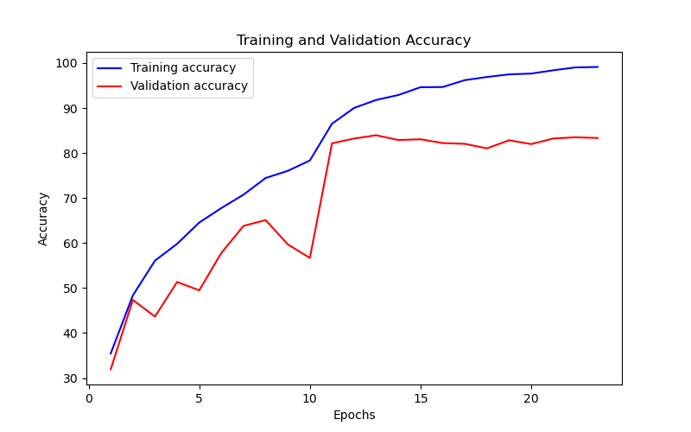
Epoch | Train Accuracy | Train Loss | Validation Accuracy | Validation Loss
1 | 35.45 | 1.813 | 31.930415264 | 1.65
2 | 48.36 | 1.358 | 47.362514029 | 1.482
3 | 56.08 | 1.195 | 43.658810325 | 1.945
4 | 59.82 | 1.102 | 51.346801347 | 1.462
5 | 64.55 | 0.992 | 49.494949495 | 1.578
6 | 67.77 | 0.897 | 57.800224467 | 1.268
7 | 70.74 | 0.82 | 63.804713805 | 1.057
8 | 74.45 | 0.732 | 65.095398429 | 1.141
9 | 76.03 | 0.679 | 59.708193042 | 1.319
10 | 78.34 | 0.625 | 56.677890011 | 1.435
11 | 86.51 | 0.39 | 82.154882155 | 0.514
12 | 90.02 | 0.29 | 83.221099888 | 0.497
13 | 91.79 | 0.242 | 83.950617284 | 0.522
14 | 92.89 | 0.204 | 82.884399551 | 0.573
15 | 94.62 | 0.165 | 83.052749719 | 0.565
16 | 94.66 | 0.157 | 82.210998878 | 0.654
17 | 96.19 | 0.115 | 82.042648709 | 0.649
18 | 96.89 | 0.093 | 81.032547699 | 0.749
19 | 97.47 | 0.077 | 82.828282828 | 0.726
20 | 97.65 | 0.072 | 81.986531987 | 0.759
21 | 98.38 | 0.056 | 83.221099888 | 0.721
22 | 99.02 | 0.037 | 83.501683502 | 0.681
23 | 99.12 | 0.034 | 83.333333333 | 0.716

